User Manual
CMU DATABASE – USER MANUAL
EPA Liberia · ERRS · Chemical Management Unit (CMU) Database 2026 · Version 1.0 – 27 September 2026
← Back to Main Menu

Contents

1. About this manual
2. Getting started – opening and signing in
3. How the workbook is organised
4. The Main Menu
5. Record numbers and cell colours
6. Everyday tasks – step by step
7. The registers (database)
8. Dashboard
9. Notes & Issues – the data-issue log
10. Settings and administration
11. Source data sheets
12. Troubleshooting
13. Quick reference card

1. About this manual

This manual explains how to use the CMU DATABASE workbook: signing in, the Main Menu, the five data-entry forms, the registers, printing licences, clearance letters and bills, and routine administration. The screenshots were taken from the live workbook on 27 September 2026, so the records shown in them will differ from what you see as new data is added.
User | Main tasks |  |  | Sheets used most
Data-entry officer | Register companies, record licences, clearances, bills and payments; print letters |  |  | Forms, Print Centre, Find / Print a Record
Supervisor / Unit head | Monitor activity and outstanding bills; review data issues; approve letters |  |  | Dashboard, Registers, Notes & Issues
Administrator | Manage users and passwords, fees, dropdown lists and the macro code |  |  | Users & Passwords, Fee Schedule, Lists, Macro Setup

2. Getting started – opening and signing in

STEP 1 | Open CMU DATABASE.xlsm in the desktop version of Microsoft Excel (Windows). Excel on the web and on phones cannot run the buttons.

STEP 2 | If a yellow SECURITY WARNING bar appears under the ribbon, click Enable Content. Without this, none of the buttons work.

STEP 3 | The Sign In window opens. Type your username and password and press Enter. The first time you sign in you are asked to create your own password (at least 6 characters). After 5 wrong attempts the window closes.

STEP 4 | The Main Menu opens. Check the top-right corner shows ✓ Macros up to date and Signed in: <your name>.

STEP 5 | When you finish, click Log Out on the Main Menu, then save the file with Ctrl + S. Always keep the file as .xlsm (macro-enabled).

⚠ IMPORTANT: If the corner says 'Old macros' or the buttons do nothing, see Section 12 – Troubleshooting.

3. How the workbook is organised

Every sheet belongs to one of five groups. The groups use the same colours as the Main Menu buttons, so you can always tell what kind of sheet you are on.
Colour | Group | Sheets |  | What you do there
 | Data-entry forms | Company Form, Licence Form, Clearance Form, Bill Form, Payment Form |  | Add, find, update or delete records
 | Registers (database) | Companies, Licences & Certificates, Licence Chemicals, Licence Vehicles, Licence Effluent, Chemical Clearances, Bills & Invoices, Payments & Receipts, Notes & Issues |  | Where every saved record is stored – view, filter and sort
 | Print Centre | Print CRL, Print CIL, Print EDL, Print EDL RP, Print Clearance, Print Bill |  | Produce official licences and letters (print, PDF or Word)
 | Reports & settings | Dashboard, Fee Schedule, Lists, Macro Setup, User Manual |  | Summaries, fees, dropdown values, macro code, this manual
 | Source data | SRC BMMC Log, SRC CMU Receipts |  | Original logs kept for reference – do not edit

A typical case moves through the workbook from left to right, as shown in Figure 1. Every record carries the Company ID, which keeps all the registers linked together.

Figure 1 – The life of a case: from company registration to the printed letter

4. The Main Menu

The Main Menu is the home screen. Every button opens a form, a register, a print page or a pop-up window. The numbered markers on Figure 2 match the table below it.

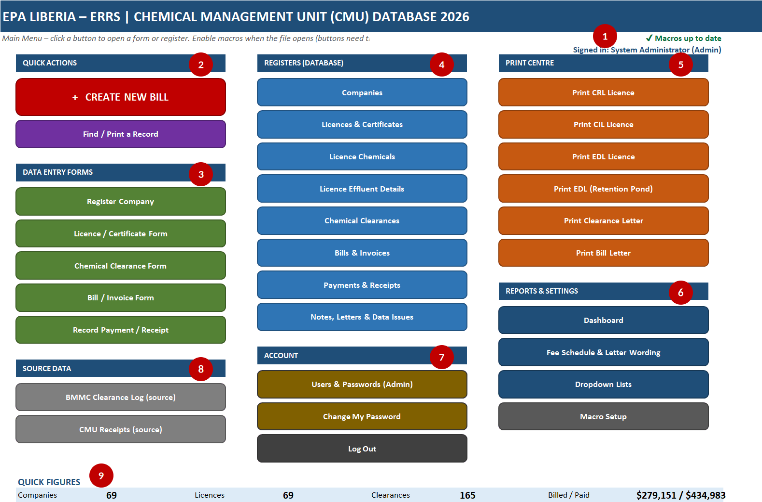

Figure 2 – The Main Menu with its nine areas numbered

No. | Area | What it does
1 | Status | Shows whether the installed macros are current and who is signed in
2 | Quick Actions | Create New Bill (step-by-step pop-up) and Find / Print a Record (searches every register)
3 | Data Entry Forms | Opens the five forms: Company, Licence / Certificate, Clearance, Bill, Payment
4 | Registers | Opens any register table (the database)
5 | Print Centre | Opens the print pages for CRL, CIL, EDL, EDL retention pond, clearance letter and bill letter
6 | Reports & Settings | Dashboard, Fee Schedule & Letter Wording, Dropdown Lists, Macro Setup
7 | Account | Users & Passwords (Admin only), Change My Password, Log Out
8 | Source Data | Original BMMC clearance log and CMU receipts
9 | Quick Figures | Live totals of companies, licences, clearances and amounts billed / paid

💡 TIP: Every form, register and print page has a dark Main Menu button (top-right or in the GO TO panel) that brings you back here.

5. Record numbers and cell colours

Record numbers are issued automatically when you click Save New. Never type a new ID yourself. To change an existing record, type its ID in the ID cell (row 5 of the form) and click Find Record.
Prefix | Record | Created by | Example
CMU-### | Company | Company Form | CMU-069
LIC-### | Licence or certificate | Licence Form | LIC-070
CLN-### | Clearance (one letter, up to 20 chemicals) | Clearance Form | CLN-147
CLR-### | One chemical line inside a clearance | Clearance Form (automatic) | CLR-165
BN-2026-### | Bill (one letter) | Create New Bill / Bill Form | BN-2026-020
BIL-### | One service line inside a bill | Bill Form (automatic) | BIL-028
PAY-### | Payment / receipt | Payment Form | PAY-054
ISS-### | Data issue | Typed on Notes & Issues | ISS-022

What the cell colours mean

Sample | Meaning
Type here | Input cell – type a value or pick from the dropdown arrow. Labels marked * are required.
CMU-070 | Record ID – leave blank for a new record; type an ID to find an existing one
Guidance text | Grey italic text beside a field explains what to enter
✓ Ready to save | Form Status bar – ✓ green means ready; ✗ red lists what is missing
Formula | Calculated column in a register – filled automatically, never type over it

6. Everyday tasks – step by step

6.1 Register a new company

Figure 3 – Company Registration Form

STEP 1 | On the Main Menu click Register Company.

STEP 2 | Leave Company ID blank. The grey text shows the next number (for example CMU-070).

STEP 3 | Type the official Company Name (required). Choose the Sector / Activity, then type the Location and any Other Names used on documents, separated by ;

STEP 4 | Check the Form Status bar shows ✓, then click Save New. The company is added to the Companies register with its new ID.

💡 TIP: Search first with Find / Print a Record to avoid registering the same company twice. The pop-up version of this form warns you when a similar name already exists.

6.2 Record a licence or certificate

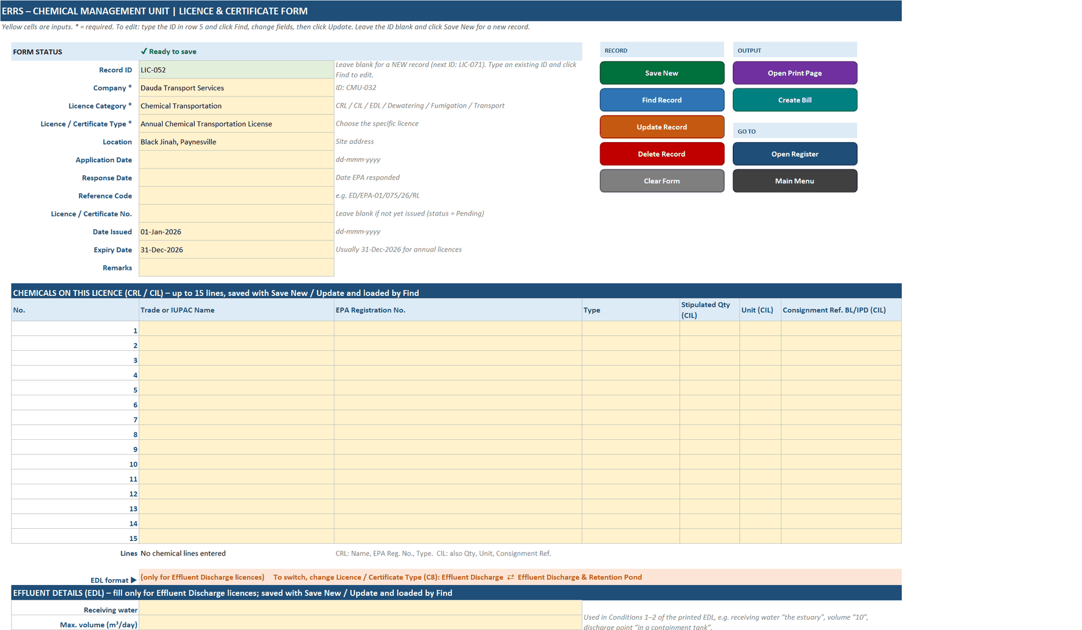

Figure 4 – Licence / Certificate Form (top part)

STEP 1 | Click Licence / Certificate Form. Leave the Record ID blank for a new licence.

STEP 2 | Choose the Company, Licence Category (CRL, CIL, EDL, Dewatering, Fumigation, Transportation…), Type and Location; enter the application and response dates.

STEP 3 | When the licence is issued, enter the Licence / Certificate No., Date Issued and Expiry Date. Without a number the licence shows as Pending.

STEP 4 | For CIL / CRL licences list the approved chemicals in the chemical grid; for EDL licences complete the effluent sections further down the form.

STEP 5 | Click Save New. Chemicals are saved to Licence Chemicals and effluent details to Licence Effluent automatically.

6.3 Record a chemical clearance

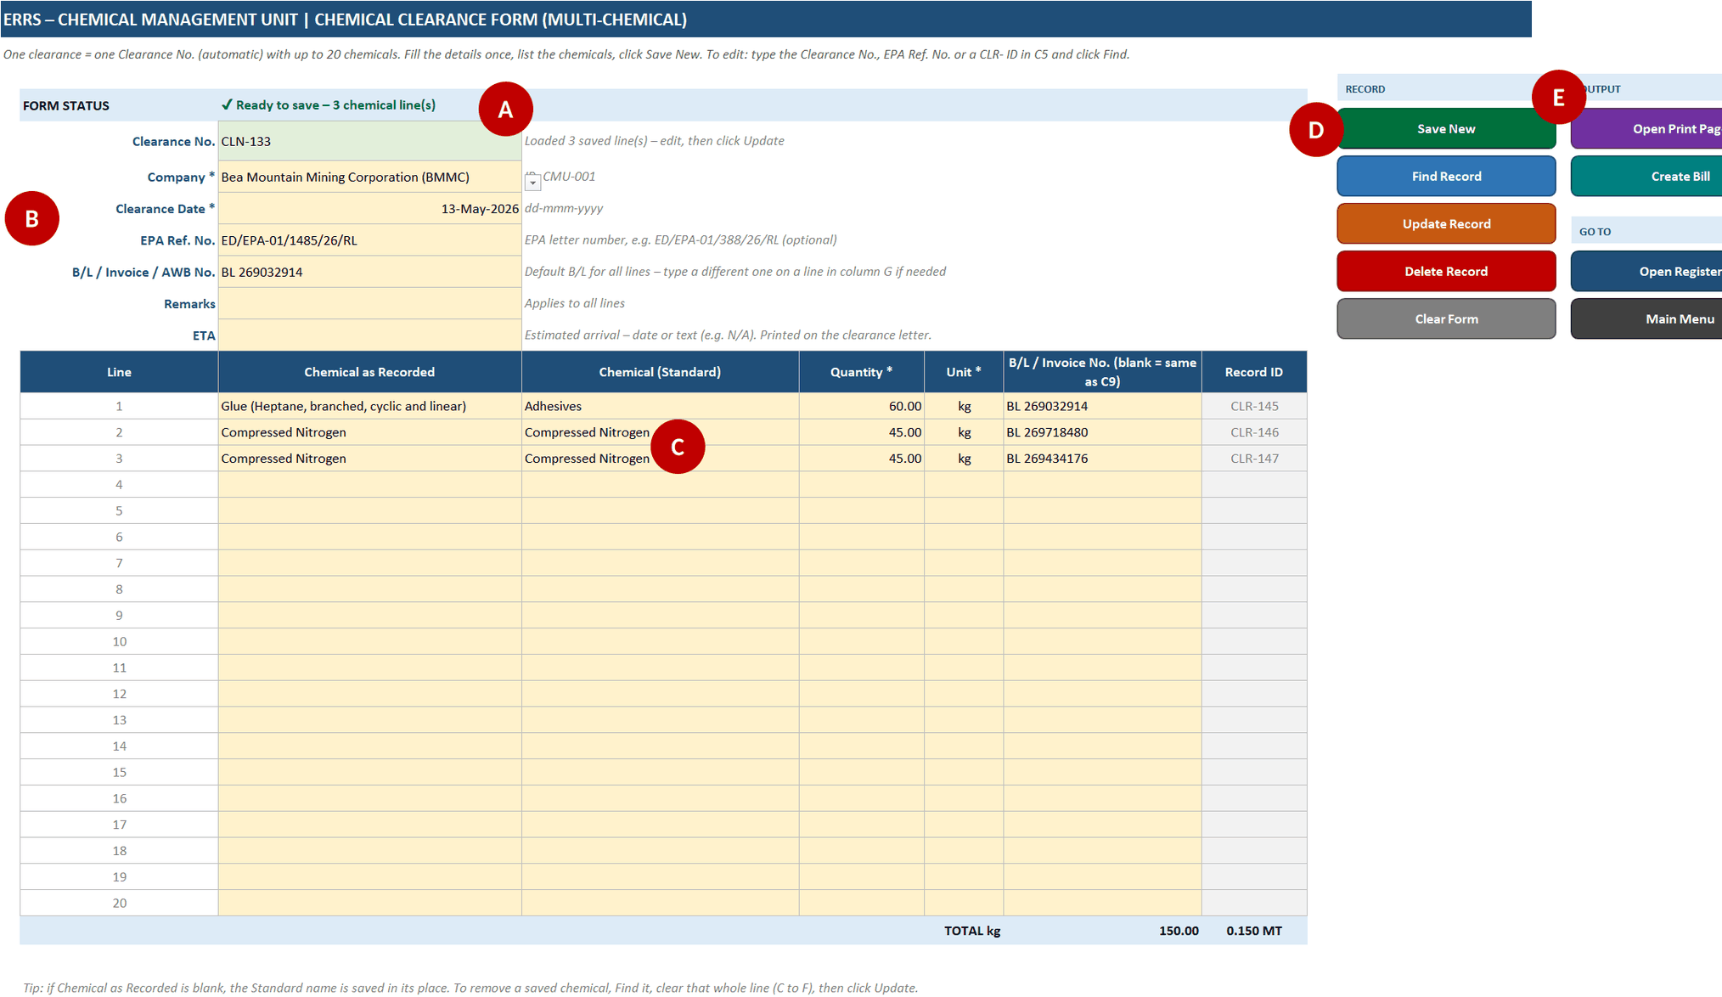

Figure 5 – Chemical Clearance Form – A status, B letter details, C chemical lines, D record buttons, E output and navigation

Marker | Part of the form | Notes
A | Form Status | Shows ✓ Ready to save and the number of chemical lines, or what is missing
B | Letter details | Company, clearance date, EPA ref. no. (e.g. ED/EPA-01/388/26/RL), default B/L, remarks, ETA
C | Chemical lines | Up to 20 chemicals: name as written, standard name, quantity, unit, and B/L if different from the default. The total in kg and MT is shown at the bottom.
D | RECORD buttons | Save New, Find Record, Update Record, Delete Record, Clear Form
E | OUTPUT / GO TO | Open the clearance letter, create a bill, open the register or return to the Main Menu

STEP 1 | Click Chemical Clearance Form, then Clear Form.

STEP 2 | Fill the letter details (B). Pick the company from the dropdown.

STEP 3 | List each chemical on its own line (C). Choose the unit (kg, MT, L…) – quantities are converted to kg in the register.

STEP 4 | Click Save New. The clearance gets a CLN number and each line a CLR number.

STEP 5 | To print the letter click the OUTPUT button or go to Print Clearance (Section 6.7).

6.4 Create a bill

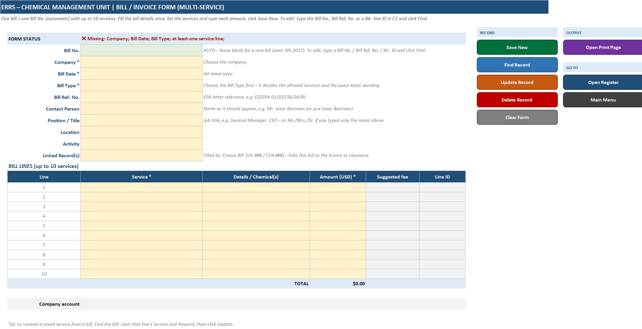

Figure 6 – Bill / Invoice Form

Fastest way: click + CREATE NEW BILL on the Main Menu. The pop-up walks you through three steps – 1) bill type, 2) company, 3) services and amounts. Suggested fees come from the Fee Schedule, the total and the amount in words update as you type, and Save stays disabled until everything required is filled. You can also fill the Bill / Invoice Form directly. Each bill gets a number BN-2026-### and prints from the Print Bill page.

6.5 Record a payment

Figure 7 – Payment / Receipt Form

STEP 1 | Click Record Payment / Receipt.

STEP 2 | Choose the Bill No. being paid – the amount billed, paid so far and balance are shown.

STEP 3 | Enter the Amount (or click Pay full balance), Payment Date, Receipt No. and any remarks.

STEP 4 | Click Save. You are warned if the amount is more than the balance or the receipt number was already used. The bill's payment status (Paid / Part paid / Unpaid) updates automatically.

6.6 Find, update or delete a record

• Find / Print a Record (Main Menu): type any part of a company name, ID, B/L, reference or licence number. Results appear as you type; use the tabs to show only Companies, Licences, Clearances, Bills or Payments. Open loads the record into its form; Print opens its print page.
• On any form: type the ID in row 5 and click Find Record, change the yellow cells, then click Update Record.
• Delete Record asks for confirmation and cannot be undone. Clear Form empties the form without changing any saved record.

6.7 Print a licence, clearance letter or bill

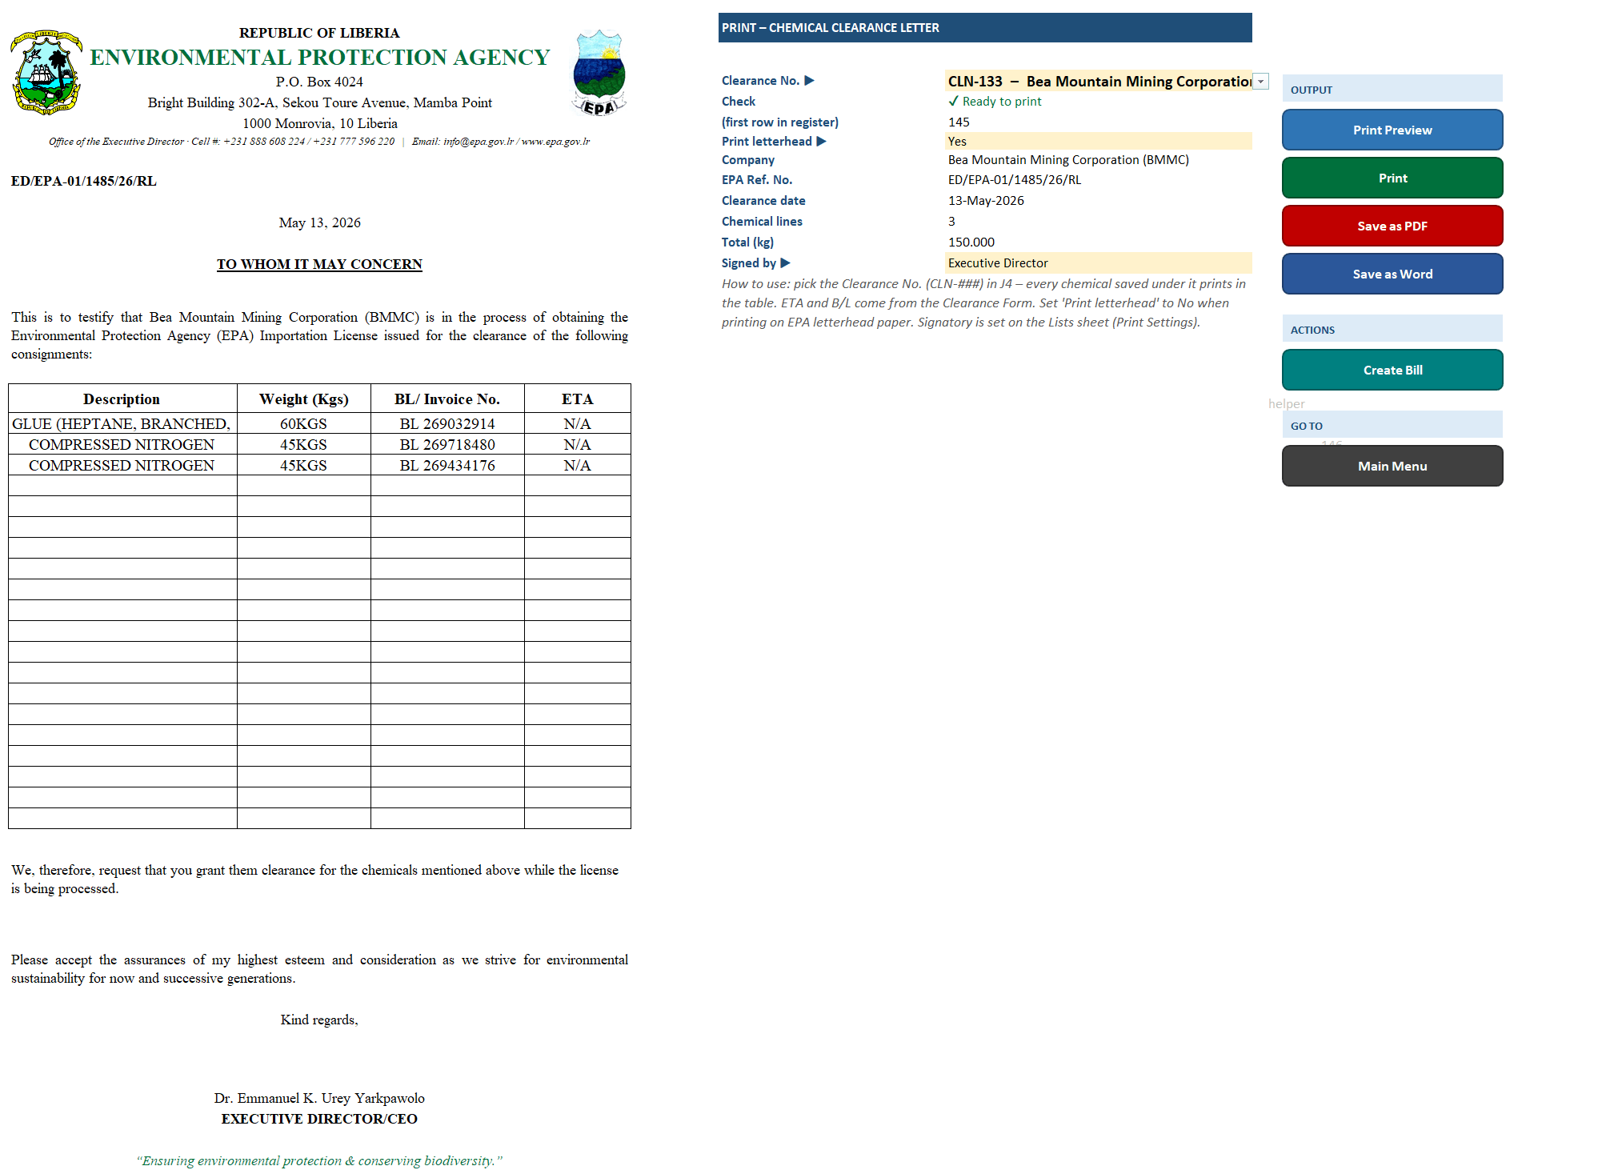

Figure 8 – Print Clearance page – the letter on the left, the control panel on the right

STEP 1 | Open the print page from the Print Centre (or the OUTPUT button on a form).

STEP 2 | Pick the record from the dropdown in the yellow cell (e.g. Clearance No.). Check the line shows ✓ Ready to print.

STEP 3 | Set Print letterhead to No when printing on pre-printed EPA letterhead paper, and choose who the letter is Signed by.

STEP 4 | Click Print Preview, then Print – or Save as PDF / Save as Word to keep an electronic copy.

Print page | Produces
Print CRL | Chemical Registration Licence
Print CIL | Chemical Importation Licence with its chemical list
Print EDL | Effluent Discharge Licence
Print EDL RP | Effluent Discharge Licence – retention pond version
Print Clearance | To whom it may concern' chemical clearance letter
Print Bill | Bill / invoice letter with fee table and amount in words

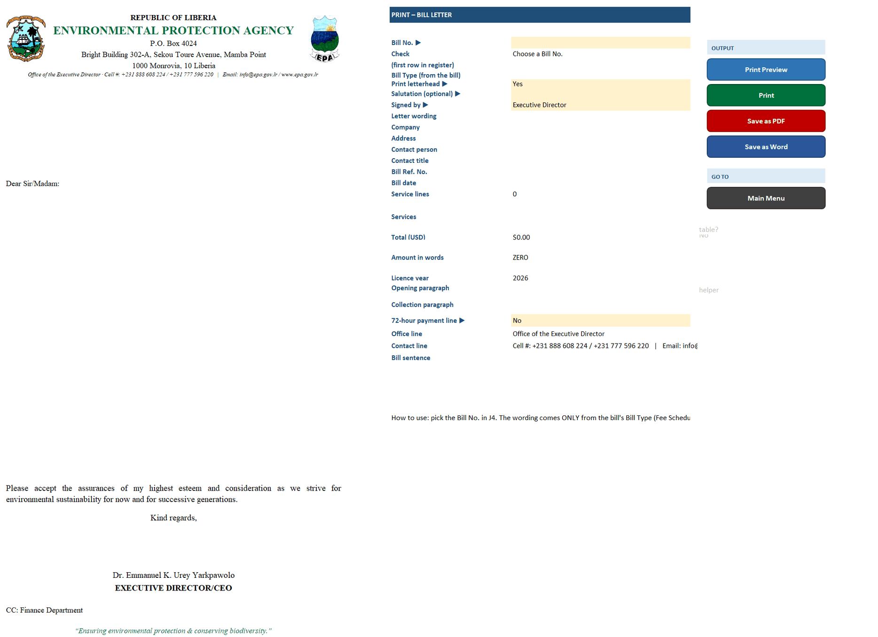

Figure 9 – Print Bill page

7. The registers (database)

Registers are Excel tables. Each saved record is one row. You can filter with the arrows in the header row, sort, and copy data out – but always add or change records through the forms so the IDs and links stay correct.

Figure 10 – Chemical Clearances register – one row per chemical line

Register | Holds |  |  | Filled by
Companies | One row per company, with live totals of licences, clearances, kg cleared, billed and paid |  |  | Company Form
Licences & Certificates | Every licence / certificate application, number, dates and status |  |  | Licence Form
Licence Chemicals | Chemicals approved on each CIL / CRL |  |  | Licence Form
Licence Vehicles | Trucks listed on each chemical transport licence |  |  | Typed / imported
Licence Effluent | Effluent parameters and limits for EDL licences |  |  | Licence Form (EDL)
Chemical Clearances | One row per chemical cleared, with kg, MT, B/L and EPA reference |  |  | Clearance Form
Bills & Invoices | One row per bill line, with payment status |  |  | Create New Bill / Bill Form
Payments & Receipts | Every payment received and its receipt number |  |  | Payment Form
Notes & Issues | Data-issue log and correspondence |  |  | Typed directly

⚠ IMPORTANT: Do not insert, delete or re-order rows directly in a register, and never type in grey formula columns. The Source column shows where each record came from (for example 'Upload: Clearances.pdf p.12').

8. Dashboard

Figure 11 – Dashboard – key figures, monthly activity, licences by category and outstanding bills

• Key figures: companies, licences numbered, licences pending, clearances, total cleared (MT), total billed, total paid and open data issues.
• Monthly Activity 2026: clearances, tonnage, payments and amounts billed per month.
• Licences & Certificates by Category: total, active, issued without expiry, and pending.
• Outstanding Bills: every unpaid or part-paid bill – use this list to follow up payments.
💡 TIP: All Dashboard figures are formulas – they update the moment a record is saved. There is nothing to refresh.

9. Notes & Issues – the data-issue log

Figure 12 – Notes & Issues – each problem found in the data gets an ISS number

When a record cannot be confirmed (unreadable scan, a quantity that disagrees with a letter, a possible duplicate), it is logged here with the register, record, source, the issue found, the action taken and a follow-up status. Review the Open items regularly, correct the record through its form, and set the status to Closed. The Correspondence table further down records letters issued that are not licences or clearances.

10. Settings and administration

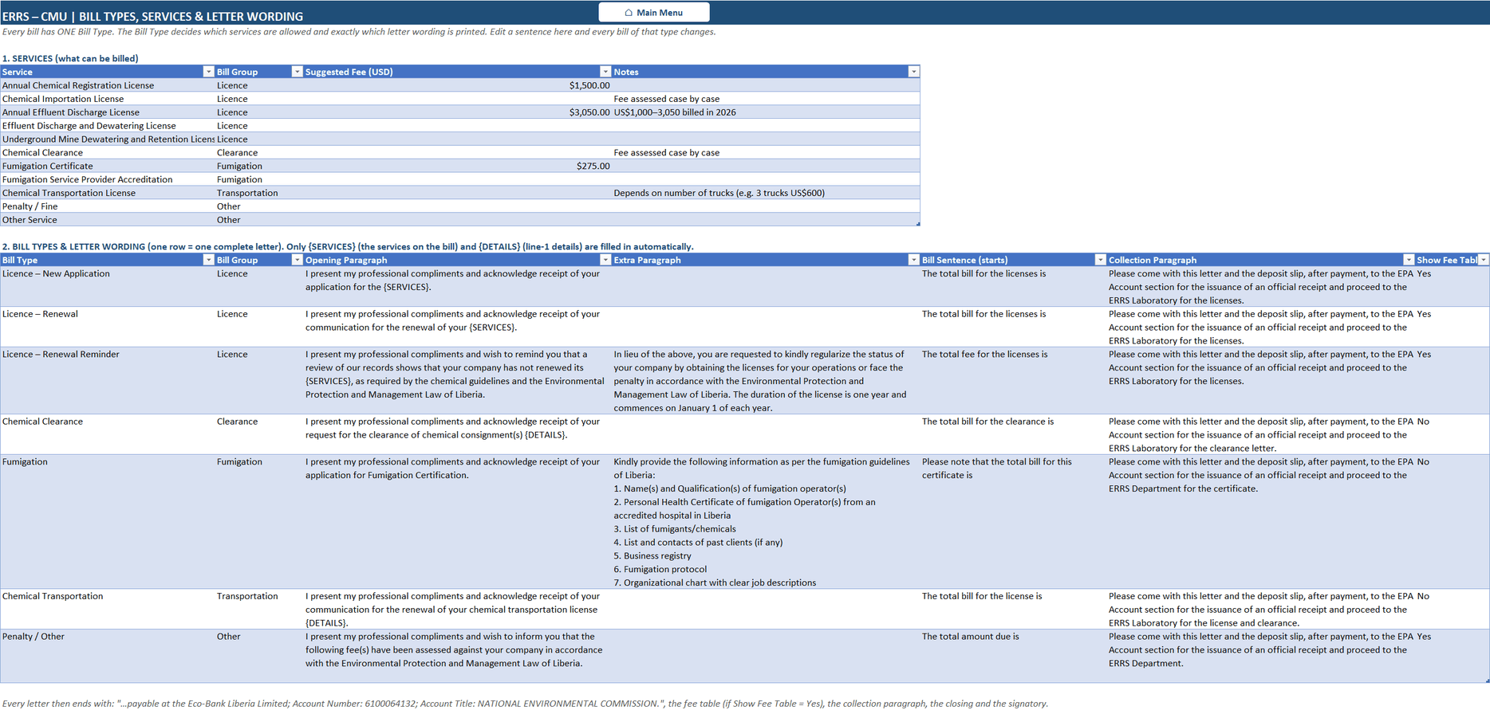

Figure 13 – Fee Schedule – services, suggested fees and the wording used for each bill type

Setting | Where | Who | What to do
Fees and bill wording | Fee Schedule | Administrator | Change a suggested fee or the paragraphs printed on each bill type
Dropdown values | Lists | Administrator | Add a new chemical, sector, unit or signatory at the bottom of its list
Users and passwords | Users & Passwords (Main Menu) | Administrator | Add users, set roles, reset passwords, deactivate leavers
Own password | Change My Password | Everyone | Change your password at any time
Macro code | Macro Setup | Administrator | Re-install the code when a new version is supplied (below)

Re-installing the macros (administrator only)

STEP 1 | Press Alt + F11 to open the VBA editor, double-click Module1, press Ctrl + A then Delete.

STEP 2 | Back on the Macro Setup sheet, select A16:A2308 (type it in the Name Box), press Ctrl + C, return to Module1 and press Ctrl + V.

STEP 3 | Close the editor. Press Alt + F8 and run Build_UserForms, then Build_LoginForms, then Setup_Buttons.

STEP 4 | Save the file, close it and open it again. The Main Menu should show ✓ Macros up to date.

11. Source data sheets

SRC BMMC Log and SRC CMU Receipts hold the original logs the database was built from. They are kept only for checking and audit. Do not edit them; corrections belong in the registers through the forms.

12. Troubleshooting

Problem | Likely cause |  | What to do
Buttons do nothing | Macros disabled, or file opened in Excel on the web |  | Click Enable Content; open the file in desktop Excel
Corner shows 'Old macros' | The code on Macro Setup is newer than the installed code |  | Re-install the macros (Section 10)
Form Status shows ✗ Missing … | A required field (*) is empty |  | Fill the fields listed, then save
Cannot type in a cell | Forms are protected – only yellow cells accept input |  | Type in yellow cells; use the buttons for everything else
Record not found | Wrong ID or spelling |  | Use Find / Print a Record and search part of the name
Print page says 'not found' | The record box is empty or mistyped |  | Pick the record from the dropdown
A total looks wrong | Wrong unit (kg vs MT) on a line |  | Check Unit and Qty (kg) in the register; correct via the form
Forgot password | – |  | Ask the administrator to reset it in Users & Passwords
#REF! or #N/A in a register | Rows were deleted or typed over directly |  | Undo (Ctrl + Z) if possible and tell the administrator

13. Quick reference card

✔ DO |  | ✘ DON'T
Use the forms to add or change records |  | Type over grey formula cells
Enable Content every time you open the file |  | Delete or insert rows directly in a register
Save often (Ctrl + S) and keep the .xlsm format |  | Rename sheets, tables or buttons
Log unclear data in Notes & Issues |  | Share your password
Log Out when you finish |  | Edit the SRC source-data sheets

